Sheet1
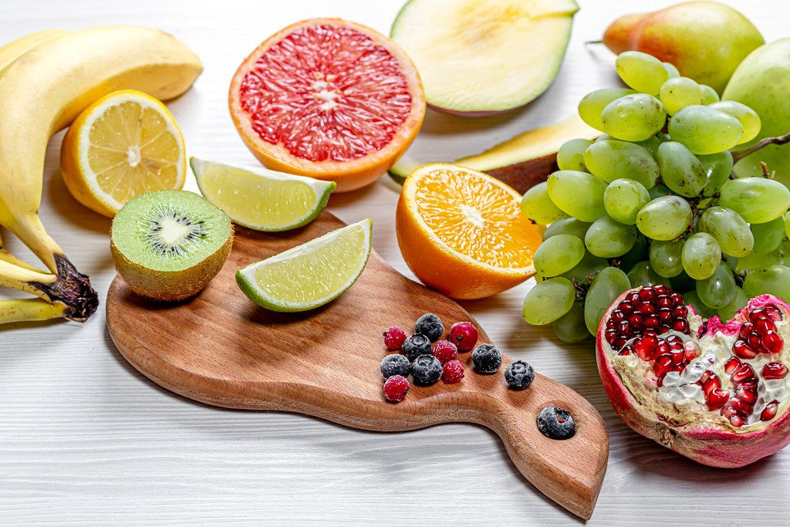
S.No | Product | Quantity | Rate | Total price
1 | Apple | 123kg | $200 | $24,600
2 | orange | 45Dozen | $150 | $6,750
3 | Mango | 356kg | $300 | $106,800
4 | Grapes | 56kg | $400 | $22,400
5 | sugarcane | 325kg | $80 | $26,000
6 | Pineapple | 647kg | $450 | $291,150
7 | Cherry | 78kg | $470 | $36,660
8 | Guawa | 345kg | $180 | $62,100
9 | stawberry | 567kg | $560 | $317,520
10 | peach | 89kg | $300 | $26,700

This Photo by Unknown Author is licensed under CC BY

